Instructions
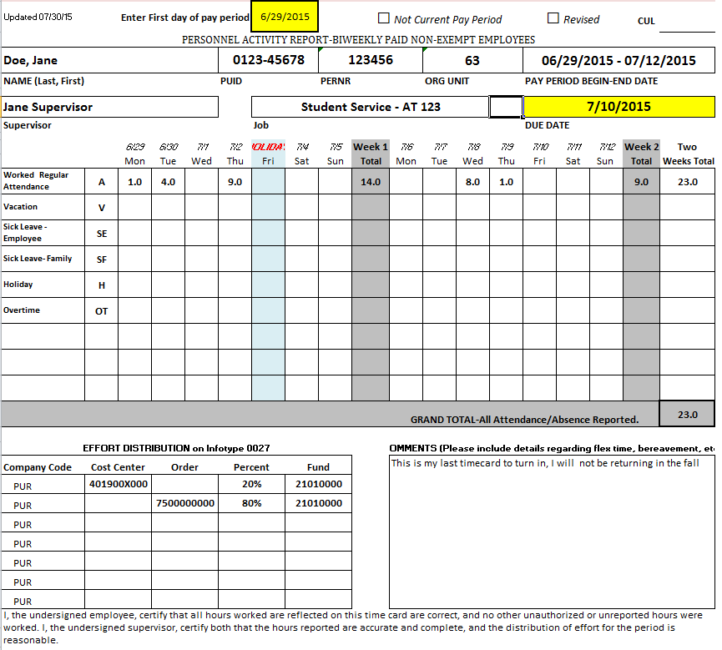
 | You will need to fill in the following information: | Example of a completed time card, prior to signatures
1 | First date of pay period in the yellow box, you can reference the pay period dates on the tab labeled 'Pay Periods'. All other dates will populate for you
2 | Verify that you are using the correct timecard for the job you worked
3 | Enter the number of hours to the nearest tenth, for each day per attendance type
4 | Each attendance type will automatically total in the weekly and two week total columns
5 | Make comments with the details of any flex time, bereavement, etc. (for students, note if this is your last timecard so we can end your appointment in the system)
6 | Prior to signing, verify the effort distribution is still accurate. If it changes, you will need to correct it to accuratly reflect where your effort was spent. The percentage should always total 100%

 | Once you have entered all the information for that pay period
1 | Print off the time card
2 | Sign on the line for Employee Signature
3 | Have your Supervisor sign on the line for Supervisor Signature
4 | The Supervisor turns the timecard into the Business Office by the second Friday of the pay period, but no later than 9 am on the Monday after the pay period ends. (Note: some deadlines may be early due to holiday and early entry deadlines set by payroll). Employees should not be submitting their own timecards to the Business Office.

 | Reminders:
1 | No white out to be used anywhere on timecard, if changes are made after printing the changes must be signed by Employee and their Supervisor
2 | One time card per job/PRNR
3 | Template of timecard will be provided to employee upon hiring, filling in their name, supervisor, job, cost distribution, etc. If the timecard is lost, you can find a blank template located on the colleges business office website under employment information
4 | If the timecard is lost, you can find a blank template located on the colleges business office website under employment information. Be sure to update the employee information that was originally provided by the business office.
5 | If PRNR is not available upon sending timecard to employee, a follow up email with updated timecard will be sent once PRNR is created
6 | Regular Biweekly employees can use the additional drop down slots for any absence type not already listed
7 | Biweekly students will only use the attendance code 'A' - 'Worked - Regular Attendance'
8 | Anytime work is completed on a Holiday, a comment should accompany along with specific approval by the supervisor.

